Sheet1
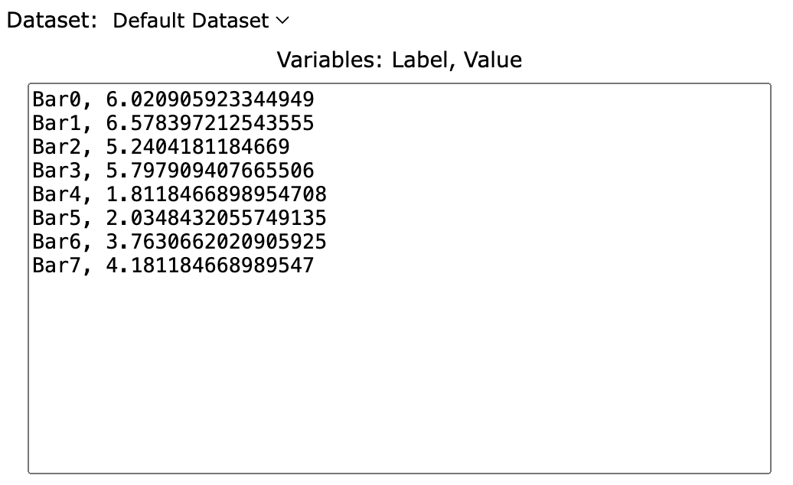
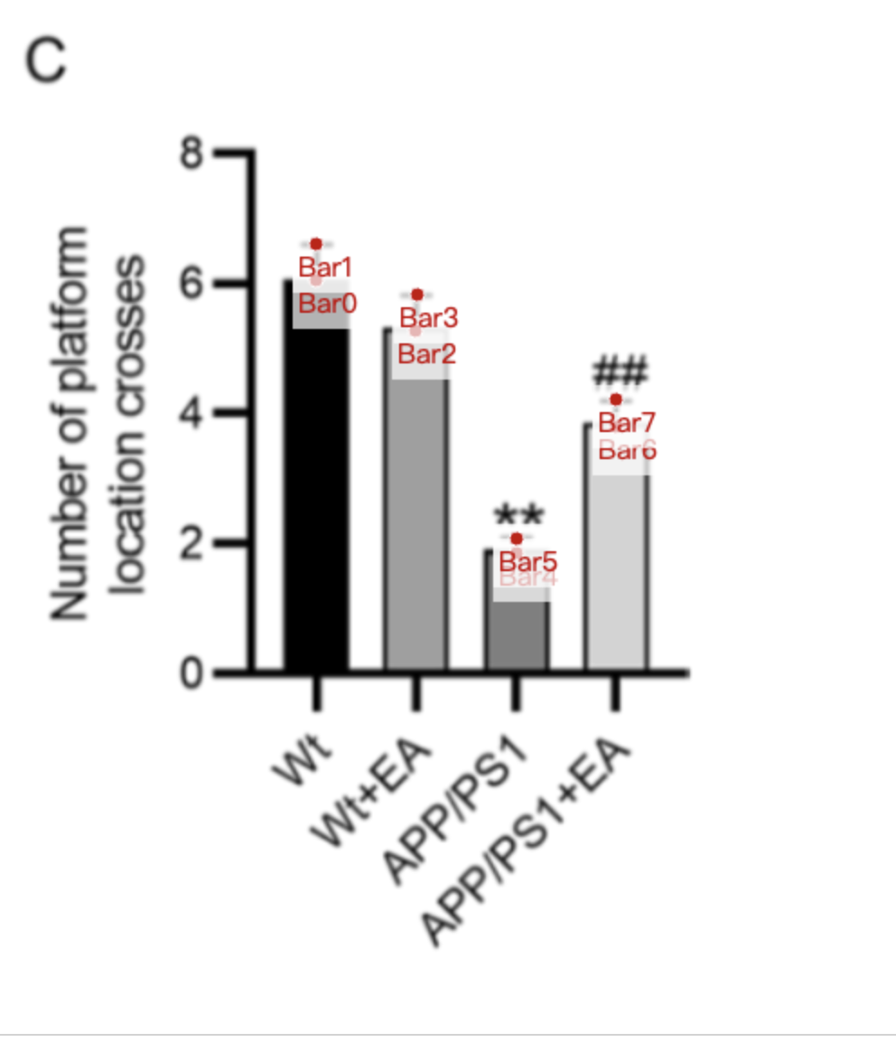
Treatment Groups | WT_number_platform_crossed | WT+EA_number_platform_crossed | APP/PS1_number_platform_crossed | APP/PS1+EA_number_platform_crossed
mean | 6.0209059233 | 5.2404181185 | 1.8118466899 | 3.7630662021
sd | 0.5574912892 | 0.5574912892 | 0.2229965157 | 0.4181184669
mean+sd | 6.5783972125 | 5.7979094077 | 2.0348432056 | 4.181184669

